AB MAC Map
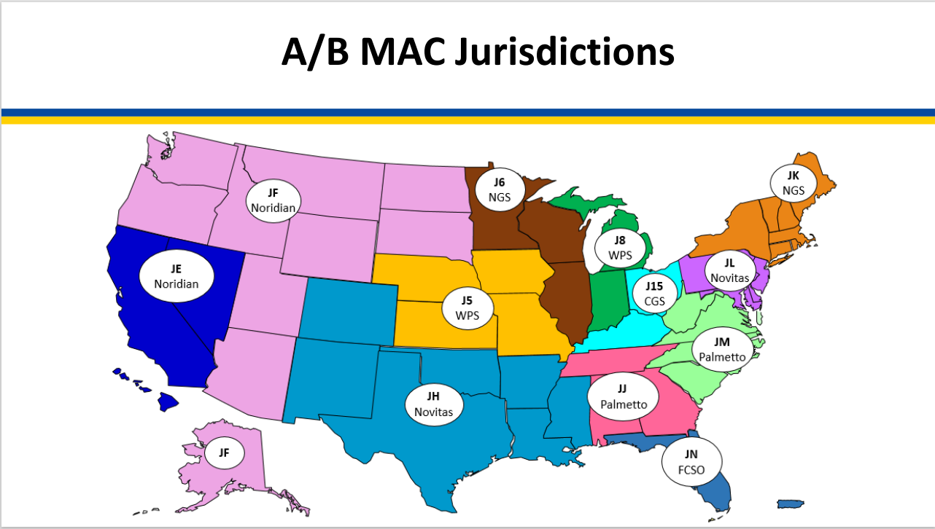

LINK AB MAC Map Webpage | LINK "Who are the MAC's" CMS website

DME MAC Map
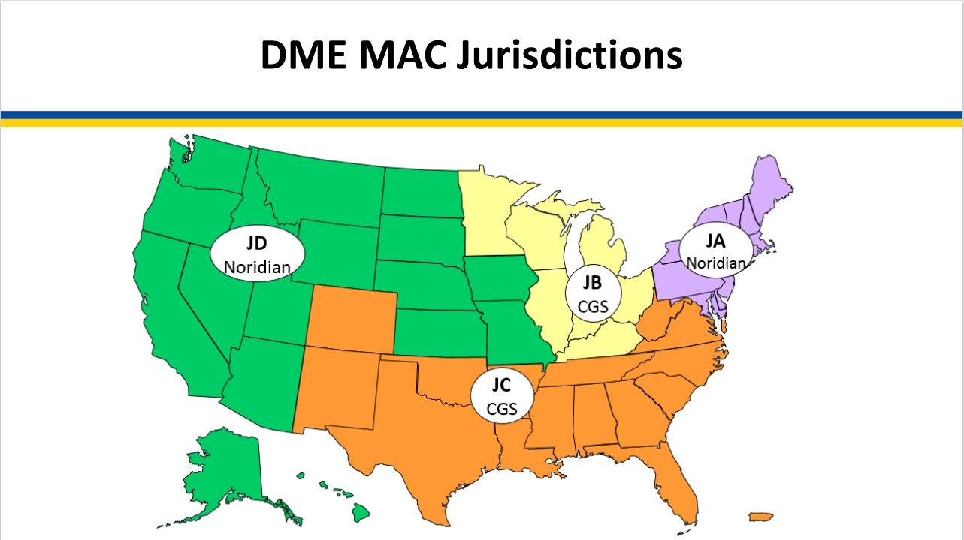

LINK DME Map Webpage | LINK "Who are the MAC's" CMS website

HH&H MAC Map
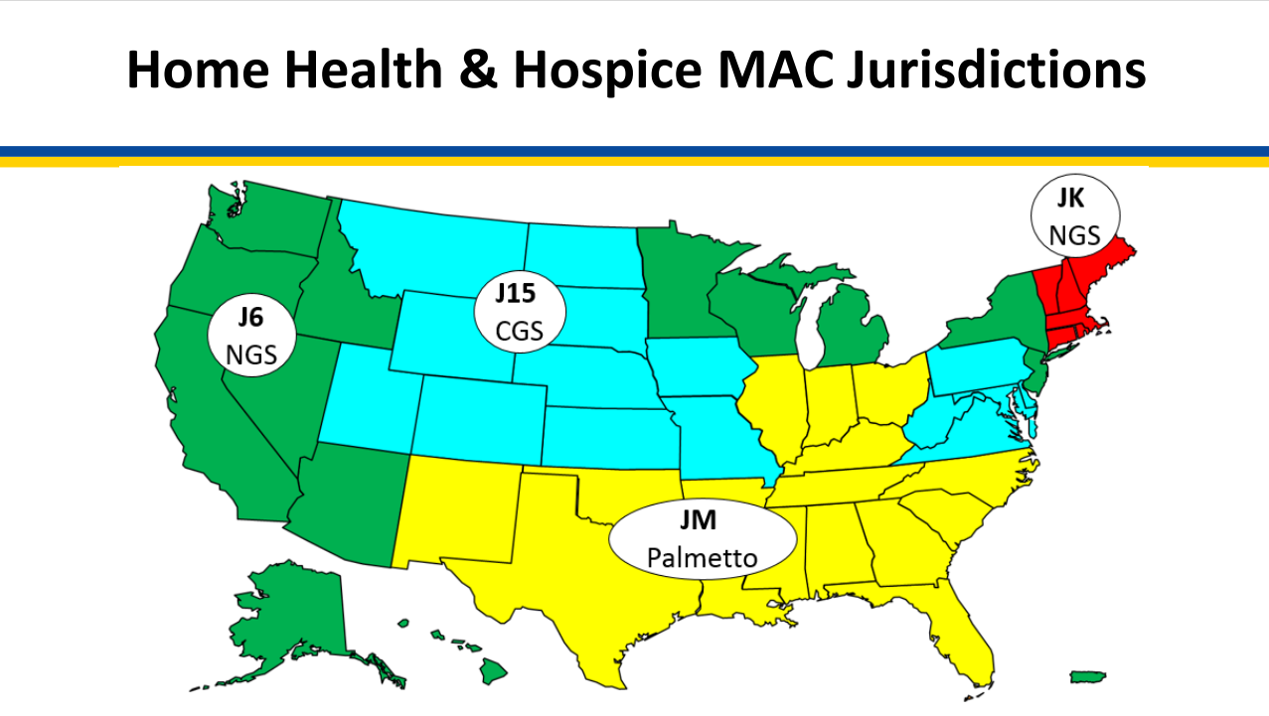

LINK HH&H Map Webpage | LINK "Who are the MAC's" CMS website

Chart of MACs by States
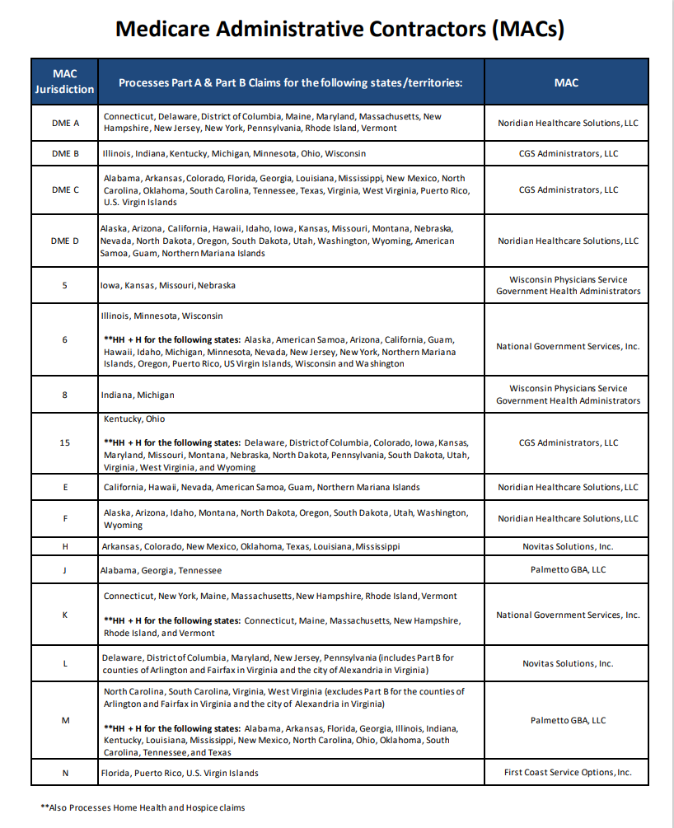

LINK to Chart on CMS Website

